Sheet1
Assignment1 | Display all the product name in uppercase.

Create a table product

Inserting the values

Query

Result

Assignment2 | Display last 3 characters from product name

Query

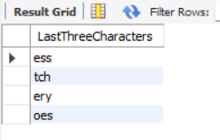
Result

Assignment3 | Display all the customers postal code. Postal code
 | should be minimum 9 character. In case there
 | are less then 9 character in database add
 | 0 at beginning.

Create Customers table

Inserting the values

Query

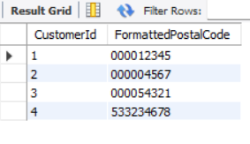
Result

Assignment4 | Display unit price from products. Remove
 | decimal from the unit price.

Query

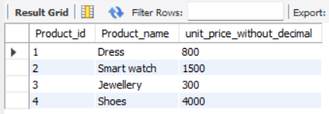
Result

Assignment5 | Get final order price per order. Price
 | should be floored from the output.

Create OrderDetail table

Inserting the values

Query

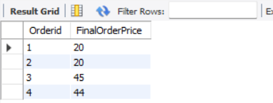
Result

Assignment6 | Get final order price per order. Price
 | should be ceiled from the output.

Query

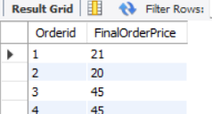
Result

Assignment7 | Display order date in yyyy/MM/dd format.

Creating the Order table

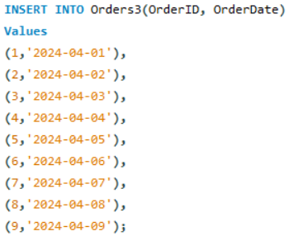
Inserting the values

Query

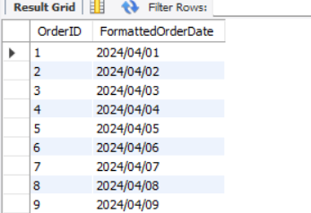
Result

Assignment8 | Display 5 latest orders from order.

Query

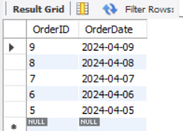
Result

